Oyapock

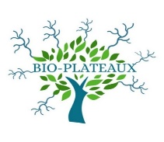
DAILY HYDROLOGICAL BULLETIN OF THE OYAPOCK TRANSBOUNDARY BASIN

 |  |  | DE | 2025-10-22 | A | 2025-10-28

 | Water flow (daily average) in m3/s and water level (daily average) in m

Date | Station
 | Alikoto |  | Saut Chien |  | Camopi (Camp Mokata) |  | Estirao do Cricou |  | Saut Maripa
 | m3/s* | m** | m3/s* | m** | m3/s* | m** | m3/s | m | m3/s* | m**
2025-10-28 |  |  |  |  |  |  | 181.38 | 3.4
2025-10-27 |  |  |  |  |  |  | 186.65 | 3.43
2025-10-26 | 66.38 |  | 34.3 |  | 112.44 |  | 194.24 | 3.46 | 205.66
2025-10-25 | 70.96 |  | 35.26 |  | 117.59 |  | 201.12 | 3.49 | 215.07
2025-10-24 | 75.73 |  | 36.38 |  | 121.75 |  | 208.46 | 3.52 | 226.94
2025-10-23 | 75.84 |  | 37.76 |  | 123.16 |  | 217.57 | 3.56 | 236.79
2025-10-22 | 78.19 | 1.9 | 38.7 | 1.89 | 126.29 | 1.51 | 218.65 | 3.56 | 235.29 | 2.27

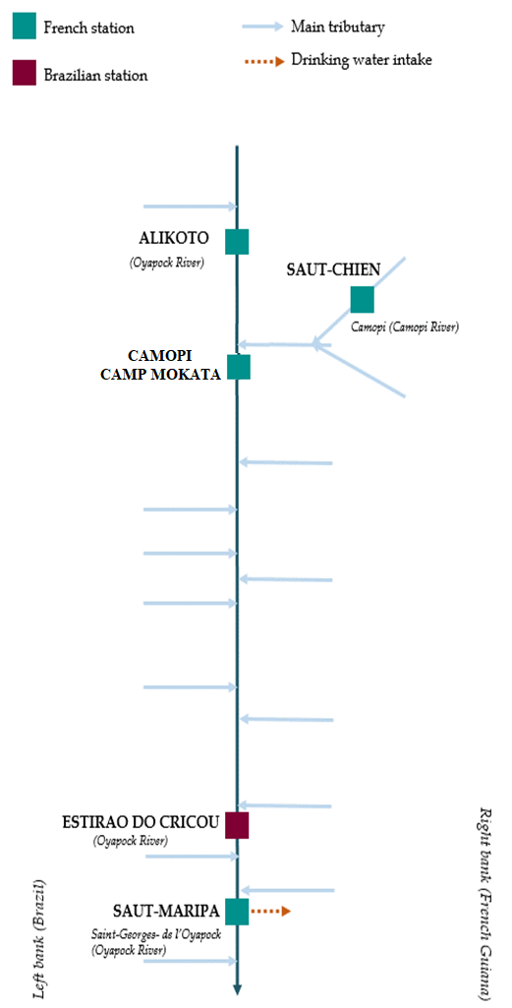
 | Flow | Water level
4/9/2024
4/8/2024 | 117.68 | 2.1
4/7/2024 | 138.88 | 2.16
4/6/2024 | 157.69 | 2.21
4/5/2024 | 167.22 | 2.23
4/4/2024 | 178.78 | 2.26
4/3/2024 | 224.51 | 2.35

 | Flow | Water level
4/9/2024
4/8/2024 | 56.1 | 1.99
4/7/2024 | 63.42 | 2.02
4/6/2024 | 70.83 | 2.05
4/5/2024 | 73.69 | 2.06
4/4/2024 | 72.46 | 2.06
4/3/2024 | 72.99 | 2.06

 | Flow | Water level
4/9/2024
4/8/2024 | 181.26 | 0.7
4/7/2024 | 207.94 | 0.79
4/6/2024 | 230.9 | 0.85
4/5/2024 | 244.99 | 0.87
4/4/2024 | 257.7 | 0.91
4/3/2024 | 310.73 | 1.02

 | Flow | Water level
4/9/2024
4/8/2024 | 354.55 | 2.6
4/7/2024 | 411.2 | 2.7
4/6/2024 | 478.47 | 2.8
4/5/2024 | 522.66 | 2.87
4/4/2024 | 515.59 | 2.86
4/3/2024 | 561.42 | 2.93

Data source:
French Guiana: HYDRO bank managed by Schapi within the framework if French WIS (data corrected) http://www.hydro.eaufrance.fr/
* Average daily flow distributed via Hubeau (https://hubeau.eaufrance.fr/) from the HYDRO database (http://www.hydro.eaufrance.fr/)
** Daily average of instantaneous water levels (days with UTC times) distributed via Hubeau (https://hubeau.eaufrance.fr/) from the HYDRO database (http://www.hydro.eaufrance.fr/)
Brazil: HYDROWEB Database managed by the National Water Agency (ANA) within the framework of the Brazilian NWRIS
http://www.snirh.gov.br/hidroweb/apresentacao
For any request or comment, please contact:
staff-bioplateaux@oieau.fr
Bulletin preparet within the framework of the BIO-PLATEAX project, financed by the European Union

