Oyapock


DAILY HYDROLOGICAL BULLETIN OF THE OYAPOCK TRANSBOUNDARY BASIN

 |  |  | DE | 2025-10-13 | A | 2025-10-19

 | Water flow (daily average) in m3/s and water level (daily average) in m

Date | Station
 | Alikoto |  | Saut Chien |  | Camopi (Camp Mokata) |  | Estirao do Cricou |  | Saut Maripa
 | m3/s* | m** | m3/s* | m** | m3/s* | m** | m3/s | m | m3/s* | m**
2025-10-19 |  |  |  |  |  |  | 217.56 | 3.55
2025-10-18 |  |  |  |  |  |  | 221.7 | 3.57
2025-10-17 |  |  |  |  |  |  | 223.85 | 3.58
2025-10-16 | 77.04 | 1.9 | 41.15 | 1.9 | 129.15 | 1.52 | 232.39 | 3.61 | 257.27 | 2.33
2025-10-15 | 82.38 | 1.93 | 43.73 | 1.92 | 138.54 | 1.56 | 250.11 | 3.68 | 277.01 | 2.39
2025-10-14 | 89.61 | 1.97 | 48.33 | 1.94 | 155.28 | 1.61 | 267.46 | 3.74 | 294.68 | 2.44
2025-10-13 | 95.94 | 2 | 55.91 | 1.98 | 170.89 | 1.66 | 281.98 | 3.79 | 307.05 | 2.47

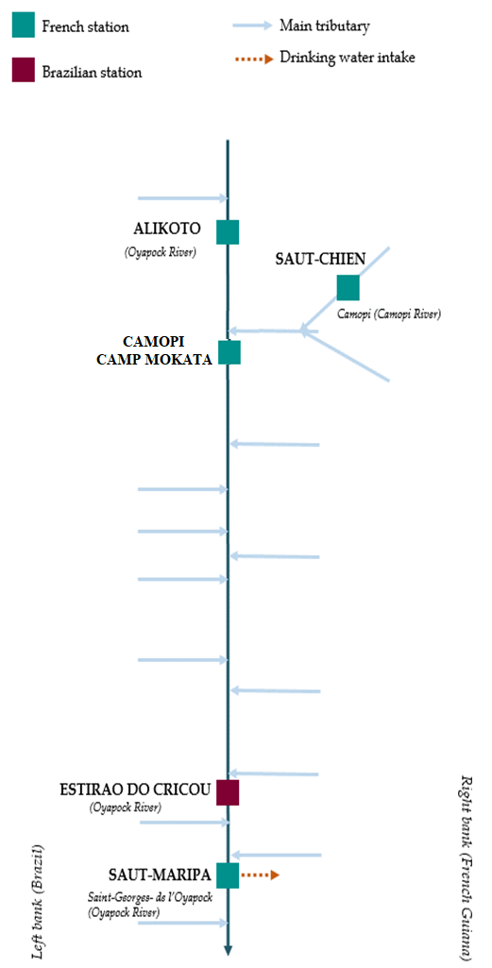
 | Flow | Water level
4/9/2024
4/8/2024 | 117.68 | 2.1
4/7/2024 | 138.88 | 2.16
4/6/2024 | 157.69 | 2.21
4/5/2024 | 167.22 | 2.23
4/4/2024 | 178.78 | 2.26
4/3/2024 | 224.51 | 2.35

 | Flow | Water level
4/9/2024
4/8/2024 | 56.1 | 1.99
4/7/2024 | 63.42 | 2.02
4/6/2024 | 70.83 | 2.05
4/5/2024 | 73.69 | 2.06
4/4/2024 | 72.46 | 2.06
4/3/2024 | 72.99 | 2.06

 | Flow | Water level
4/9/2024
4/8/2024 | 181.26 | 0.7
4/7/2024 | 207.94 | 0.79
4/6/2024 | 230.9 | 0.85
4/5/2024 | 244.99 | 0.87
4/4/2024 | 257.7 | 0.91
4/3/2024 | 310.73 | 1.02

 | Flow | Water level
4/9/2024
4/8/2024 | 354.55 | 2.6
4/7/2024 | 411.2 | 2.7
4/6/2024 | 478.47 | 2.8
4/5/2024 | 522.66 | 2.87
4/4/2024 | 515.59 | 2.86
4/3/2024 | 561.42 | 2.93

Data source:
French Guiana: HYDRO bank managed by Schapi within the framework if French WIS (data corrected) http://www.hydro.eaufrance.fr/
* Average daily flow distributed via Hubeau (https://hubeau.eaufrance.fr/) from the HYDRO database (http://www.hydro.eaufrance.fr/)
** Daily average of instantaneous water levels (days with UTC times) distributed via Hubeau (https://hubeau.eaufrance.fr/) from the HYDRO database (http://www.hydro.eaufrance.fr/)
Brazil: HYDROWEB Database managed by the National Water Agency (ANA) within the framework of the Brazilian NWRIS
http://www.snirh.gov.br/hidroweb/apresentacao
For any request or comment, please contact:
staff-bioplateaux@oieau.fr
Bulletin preparet within the framework of the BIO-PLATEAX project, financed by the European Union

