Oyapock


DAILY HYDROLOGICAL BULLETIN OF THE OYAPOCK TRANSBOUNDARY BASIN

 |  |  | DE | 2025-10-07 | A | 2025-10-13

 | Water flow (daily average) in m3/s and water level (daily average) in m

Date | Station
 | Alikoto |  | Saut Chien |  | Camopi (Camp Mokata) |  | Estirao do Cricou |  | Saut Maripa
 | m3/s* | m** | m3/s* | m** | m3/s* | m** | m3/s | m | m3/s* | m**
2025-10-13 |  |  |  |  |  |  |  | 3.79
2025-10-12 |  |  |  |  |  |  | 279.12 | 3.78
2025-10-11 |  |  |  |  |  |  | 273.86 | 3.76
2025-10-10 |  |  |  |  |  |  | 270.38 | 3.75
2025-10-09 | 89.94 | 1.97 | 50.89 | 1.96 | 158.03 | 1.62 | 270.98 | 3.75 | 296.68 | 2.45
2025-10-08 | 96.88 | 2 | 54.86 | 1.98 | 172.36 | 1.67 | 277.7 | 3.78 | 298.39 | 2.45
2025-10-07 | 101.64 | 2.03 | 60.77 | 2.01 | 181.39 | 1.7 | 263.13 | 3.73 | 280.21 | 2.41

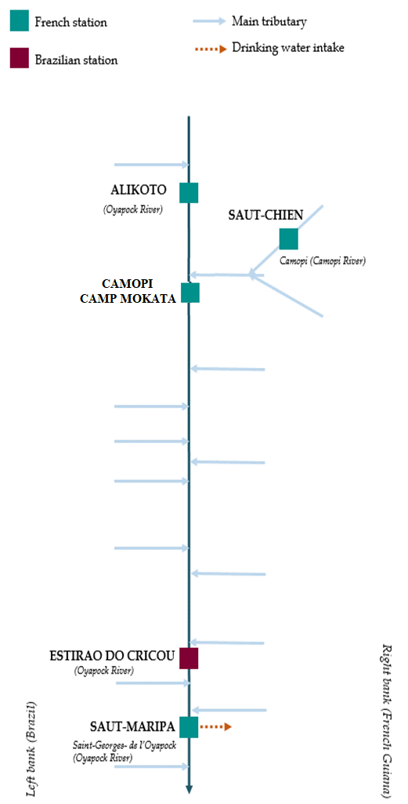
 | Flow | Water level
4/9/2024
4/8/2024 | 117.68 | 2.1
4/7/2024 | 138.88 | 2.16
4/6/2024 | 157.69 | 2.21
4/5/2024 | 167.22 | 2.23
4/4/2024 | 178.78 | 2.26
4/3/2024 | 224.51 | 2.35

 | Flow | Water level
4/9/2024
4/8/2024 | 56.1 | 1.99
4/7/2024 | 63.42 | 2.02
4/6/2024 | 70.83 | 2.05
4/5/2024 | 73.69 | 2.06
4/4/2024 | 72.46 | 2.06
4/3/2024 | 72.99 | 2.06

 | Flow | Water level
4/9/2024
4/8/2024 | 181.26 | 0.7
4/7/2024 | 207.94 | 0.79
4/6/2024 | 230.9 | 0.85
4/5/2024 | 244.99 | 0.87
4/4/2024 | 257.7 | 0.91
4/3/2024 | 310.73 | 1.02

 | Flow | Water level
4/9/2024
4/8/2024
4/7/2024
4/6/2024
4/5/2024
4/4/2024
4/3/2024

 | Flow | Water level
4/9/2024
4/8/2024 | 354.55 | 2.6
4/7/2024 | 411.2 | 2.7
4/6/2024 | 478.47 | 2.8
4/5/2024 | 522.66 | 2.87
4/4/2024 | 515.59 | 2.86
4/3/2024 | 561.42 | 2.93

Data source:
French Guiana: HYDRO bank managed by Schapi within the framework if French WIS (data corrected) http://www.hydro.eaufrance.fr/
* Average daily flow distributed via Hubeau (https://hubeau.eaufrance.fr/) from the HYDRO database (http://www.hydro.eaufrance.fr/)
** Daily average of instantaneous water levels (days with UTC times) distributed via Hubeau (https://hubeau.eaufrance.fr/) from the HYDRO database (http://www.hydro.eaufrance.fr/)
Brazil: HYDROWEB Database managed by the National Water Agency (ANA) within the framework of the Brazilian NWRIS
http://www.snirh.gov.br/hidroweb/apresentacao
For any request or comment, please contact:
staff-bioplateaux@oieau.fr
Bulletin preparet within the framework of the BIO-PLATEAX project, financed by the European Union

