Oyapock


DAILY HYDROLOGICAL BULLETIN OF THE OYAPOCK TRANSBOUNDARY BASIN

 |  |  | DE | 2025-09-24 | A | 2025-09-30

 | Water flow (daily average) in m3/s and water level (daily average) in m

Date | Station
 | Alikoto |  | Saut Chien |  | Camopi (Camp Mokata) |  | Estirao do Cricou |  | Saut Maripa
 | m3/s* | m** | m3/s* | m** | m3/s* | m** | m3/s | m | m3/s* | m**
2025-09-30 |  | 1.97 |  | 1.95 |  | 1.61 | 258.05 | 3.71 |  | 2.41
2025-09-29 |  | 1.97 |  | 1.96 |  | 1.62 | 263.14 | 3.73 |  | 2.42
2025-09-28 | 91.98 | 1.98 | 53.01 | 1.97 | 161.53 | 1.63 | 269.5 | 3.75 | 294.09 | 2.44
2025-09-27 | 94.3 | 1.99 | 54.58 | 1.98 | 166.49 | 1.65 | 276.58 | 3.77 | 302.18 | 2.46
2025-09-26 | 96.98 | 2 | 56.11 | 1.99 | 171.86 | 1.67 | 285.51 | 3.8 | 312.85 | 2.49
2025-09-25 | 100.57 | 2.02 | 57.87 | 2 | 178.89 | 1.69 | 296.34 | 3.84 | 325.31 | 2.52
2025-09-24 | 105.08 | 2.04 | 60.11 | 2.01 | 187.9 | 1.72 | 310.86 | 3.89 | 339.96 | 2.56

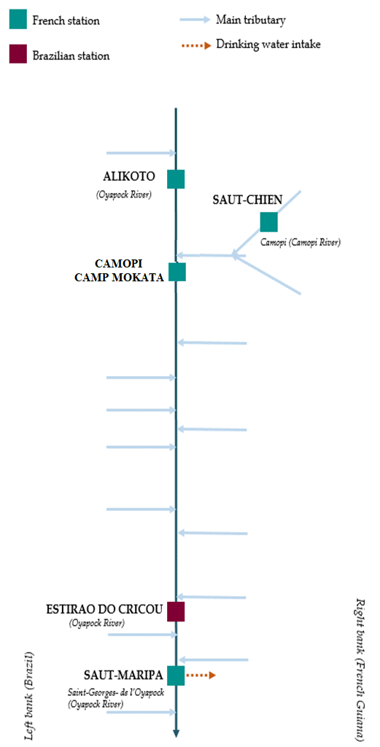
 | Flow | Water level
4/9/2024
4/8/2024 | 117.68 | 2.1
4/7/2024 | 138.88 | 2.16
4/6/2024 | 157.69 | 2.21
4/5/2024 | 167.22 | 2.23
4/4/2024 | 178.78 | 2.26
4/3/2024 | 224.51 | 2.35

 | Flow | Water level
4/9/2024
4/8/2024 | 56.1 | 1.99
4/7/2024 | 63.42 | 2.02
4/6/2024 | 70.83 | 2.05
4/5/2024 | 73.69 | 2.06
4/4/2024 | 72.46 | 2.06
4/3/2024 | 72.99 | 2.06

 | Flow | Water level
4/9/2024
4/8/2024 | 181.26 | 0.7
4/7/2024 | 207.94 | 0.79
4/6/2024 | 230.9 | 0.85
4/5/2024 | 244.99 | 0.87
4/4/2024 | 257.7 | 0.91
4/3/2024 | 310.73 | 1.02

 | Flow | Water level
4/9/2024
4/8/2024 | 354.55 | 2.6
4/7/2024 | 411.2 | 2.7
4/6/2024 | 478.47 | 2.8
4/5/2024 | 522.66 | 2.87
4/4/2024 | 515.59 | 2.86
4/3/2024 | 561.42 | 2.93

Data source:
French Guiana: HYDRO bank managed by Schapi within the framework if French WIS (data corrected) http://www.hydro.eaufrance.fr/
* Average daily flow distributed via Hubeau (https://hubeau.eaufrance.fr/) from the HYDRO database (http://www.hydro.eaufrance.fr/)
** Daily average of instantaneous water levels (days with UTC times) distributed via Hubeau (https://hubeau.eaufrance.fr/) from the HYDRO database (http://www.hydro.eaufrance.fr/)
Brazil: HYDROWEB Database managed by the National Water Agency (ANA) within the framework of the Brazilian NWRIS
http://www.snirh.gov.br/hidroweb/apresentacao
For any request or comment, please contact:
staff-bioplateaux@oieau.fr
Bulletin preparet within the framework of the BIO-PLATEAX project, financed by the European Union

