Oyapock


DAILY HYDROLOGICAL BULLETIN OF THE OYAPOCK TRANSBOUNDARY BASIN

 |  |  | DE | 2025-09-18 | A | 2025-09-24

 | Water flow (daily average) in m3/s and water level (daily average) in m

Date | Station
 | Alikoto |  | Saut Chien |  | Camopi (Camp Mokata) |  | Estirao do Cricou |  | Saut Maripa
 | m3/s* | m** | m3/s* | m** | m3/s* | m** | m3/s | m | m3/s* | m**
2025-09-24 |  |  |  |  |  |  | 312.97 | 3.89
2025-09-23 |  | 2.08 |  | 2.03 |  | 1.75 | 322.71 | 3.92 |  | 2.6
2025-09-22 | 114.62 | 2.09 | 66.97 | 2.04 | 198.08 | 1.75 | 328.19 | 3.94 | 356.19 | 2.6
2025-09-21 | 114.79 | 2.09 | 67.09 | 2.04 | 198.4 | 1.75 | 328.42 | 3.94 | 355.38 | 2.6
2025-09-20 | 116.39 | 2.1 | 67.47 | 2.04 | 200.49 | 1.76 | 330.1 | 3.95 | 356.49 | 2.6
2025-09-19 | 118.39 | 2.11 | 69.12 | 2.04 | 203.65 | 1.77 | 331.85 | 3.95 | 359.46 | 2.61
2025-09-18 | 117.06 | 2.1 | 72.03 | 2.06 | 204.05 | 1.77 | 337.88 | 3.97 | 367.99 | 2.63

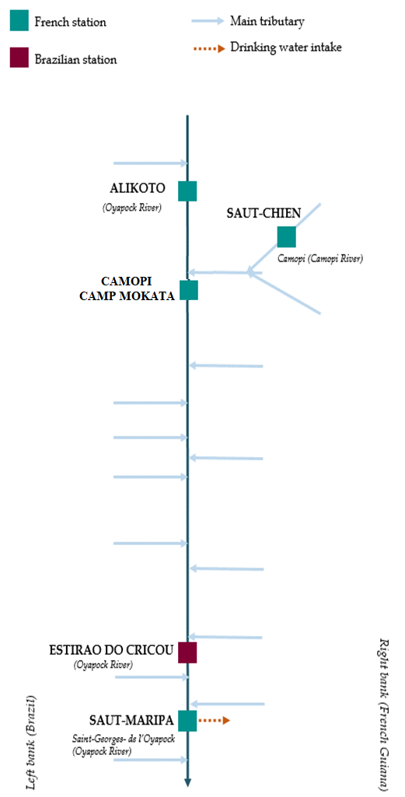
 | Flow | Water level
4/9/2024
4/8/2024 | 117.68 | 2.1
4/7/2024 | 138.88 | 2.16
4/6/2024 | 157.69 | 2.21
4/5/2024 | 167.22 | 2.23
4/4/2024 | 178.78 | 2.26
4/3/2024 | 224.51 | 2.35

 | Flow | Water level
4/9/2024
4/8/2024 | 56.1 | 1.99
4/7/2024 | 63.42 | 2.02
4/6/2024 | 70.83 | 2.05
4/5/2024 | 73.69 | 2.06
4/4/2024 | 72.46 | 2.06
4/3/2024 | 72.99 | 2.06

 | Flow | Water level
4/9/2024
4/8/2024 | 181.26 | 0.7
4/7/2024 | 207.94 | 0.79
4/6/2024 | 230.9 | 0.85
4/5/2024 | 244.99 | 0.87
4/4/2024 | 257.7 | 0.91
4/3/2024 | 310.73 | 1.02

 | Flow | Water level
4/9/2024
4/8/2024 | 354.55 | 2.6
4/7/2024 | 411.2 | 2.7
4/6/2024 | 478.47 | 2.8
4/5/2024 | 522.66 | 2.87
4/4/2024 | 515.59 | 2.86
4/3/2024 | 561.42 | 2.93

Data source:
French Guiana: HYDRO bank managed by Schapi within the framework if French WIS (data corrected) http://www.hydro.eaufrance.fr/
* Average daily flow distributed via Hubeau (https://hubeau.eaufrance.fr/) from the HYDRO database (http://www.hydro.eaufrance.fr/)
** Daily average of instantaneous water levels (days with UTC times) distributed via Hubeau (https://hubeau.eaufrance.fr/) from the HYDRO database (http://www.hydro.eaufrance.fr/)
Brazil: HYDROWEB Database managed by the National Water Agency (ANA) within the framework of the Brazilian NWRIS
http://www.snirh.gov.br/hidroweb/apresentacao
For any request or comment, please contact:
staff-bioplateaux@oieau.fr
Bulletin preparet within the framework of the BIO-PLATEAX project, financed by the European Union

