Maroni
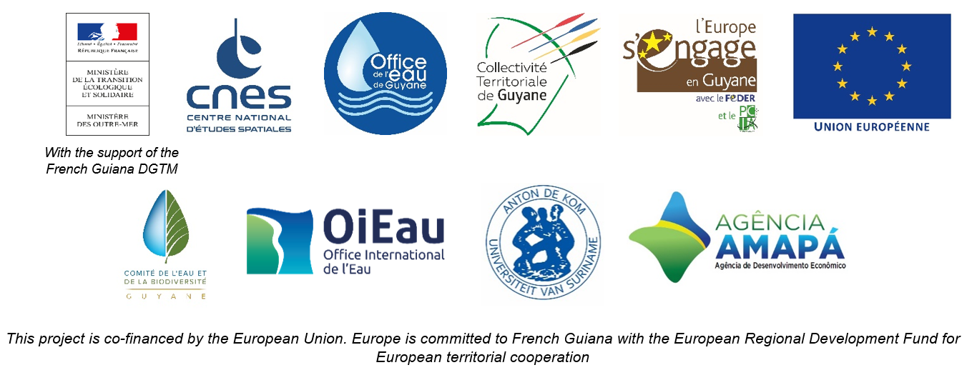

DAILY HYDROLOGICAL BULLETIN OF THE MARONI TRANSBOUNDARY BASIN

 |  |  |  |  |  |  |  | FROM | 2026-09-07 |  | TO | 2026-09-13

 | Water flow (daily average) in m3/s and water level (daily average) in m

 |  | Station names
 |  | Degrad Roche |  | Taluen |  | Maripasoula |  | Papaïchton |  | Grand Santi |  | Kio Konde |  | Langa Tabiki |  | Saint-Laurent
 | Date | m3/s* | m** | m3/s* | m** | m3/s* | m** | m3/s* | m** | m3/s* | m** | m3/s* | m** | m3/s* | m** | m3/s* | m**
 | 2026-09-13
 | 2026-09-12
 | 2026-09-11
 | 2026-09-10 | 44.68 |  | 146.72 |  | 238.04 |  | 202.18 |  | 262.8 |  | 209.13 |  | 439.83
 | 2026-09-09 | 45.24 |  | 149.99 |  | 242.39 |  | 205.74 |  | 266.81 |  | 211.49 |  | 453.42 | 2.14 |  | 1.59
 | 2026-09-08 | 46.3 |  | 154.03 |  | 245.22 |  | 206.85 |  | 275.97 |  | 217.99 |  | 467.98 |  |  | 1.55
 | 2026-09-07 | 47.63 | 1.47 | 157.84 | 1.86 | 251.63 | 2.01 | 214.09 | 0.84 | 286.93 | 2.27 | 228.04 | 1.06 | 490.47 | 2.2 |  | 1.51

DEGRAD ROCHE
 | Flow | Water level
9/13/2026
9/12/2026
9/11/2026
9/10/2026 | 44.68
9/9/2026 | 45.24
9/8/2026 | 46.3
9/7/2026 | 47.63 | 1.47
TALUEN
 | Flow | Water level
9/13/2026
9/12/2026
9/11/2026
9/10/2026 | 146.72
9/9/2026 | 149.99
9/8/2026 | 154.03
9/7/2026 | 157.84 | 1.86

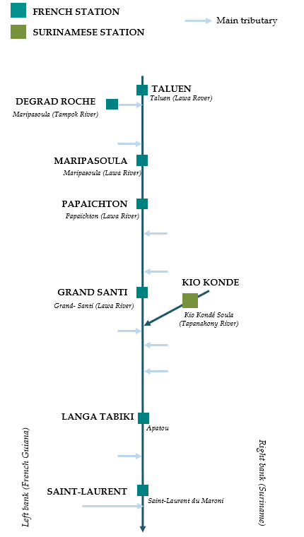

PAPAICHTON
 | Flow | Water level
9/13/2026
9/12/2026
9/11/2026
9/10/2026 | 202.18
9/9/2026 | 205.74
9/8/2026 | 206.85
9/7/2026 | 214.09 | 0.84
MARIPASOULA
 | Flow | Water level
9/13/2026
9/12/2026
9/11/2026
9/10/2026 | 238.04
9/9/2026 | 242.39
9/8/2026 | 245.22
9/7/2026 | 251.63 | 2.01

KIO KONDE
 | Flow | Water level
9/13/2026
9/12/2026
9/11/2026
9/10/2026 | 209.13
9/9/2026 | 211.49
9/8/2026 | 217.99
9/7/2026 | 228.04 | 1.06
GRAND SANTI
 | Flow | Water level
9/13/2026
9/12/2026
9/11/2026
9/10/2026 | 262.8
9/9/2026 | 266.81
9/8/2026 | 275.97
9/7/2026 | 286.93 | 2.27

LANGA TABIKI
 | Flow | Water level
9/13/2026
9/12/2026
9/11/2026
9/10/2026 | 439.83
9/9/2026 | 453.42 | 2.14
9/8/2026 | 467.98
9/7/2026 | 490.47 | 2.2
SAINT-LAURENT
 | Flow | Water level
9/13/2026
9/12/2026
9/11/2026
9/10/2026
9/9/2026 |  | 1.59
9/8/2026 |  | 1.55
9/7/2026 |  | 1.51

Data source:
French Guiana: HYDRO Bank managed by Schapi within the framework of French WIS (data corrected) http://www.hydro.eaufrance.fr/
* Average daily flow distributed via Hubeau (https://hubeau.eaufrance.fr/) from the HYDRO database (http://www.hydro.eaufrance.fr/)
** Daily average of instantaneous water levels (days with UTC times) distributed via Hubeau (https://hubeau.eaufrance.fr/) from the HYDRO database (http://www.hydro.eaufrance.fr/)
Suriname: Automatic output of HYDRAS 3 via Artgos (data corrected)
For any request or comment, please contact:
staff-bioplateaux@oieau.fr

Bulletin coordinated within the framework of the BIO-PLATEAUX project for the Articulation of Water and Biodiversity associated to aquatic environments on the Maroni and Oyapock basins

