Maroni
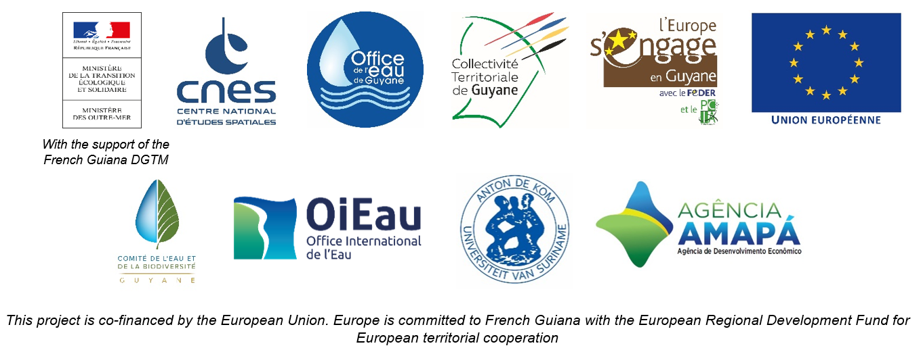

DAILY HYDROLOGICAL BULLETIN OF THE MARONI TRANSBOUNDARY BASIN

 |  |  |  |  |  |  |  | FROM | 2026-06-23 |  | TO | 2026-06-29

 | Water flow (daily average) in m3/s and water level (daily average) in m

 |  | Station names
 |  | Degrad Roche |  | Taluen |  | Maripasoula |  | Papaïchton |  | Grand Santi |  | Kio Konde |  | Langa Tabiki |  | Saint-Laurent
 | Date | m3/s* | m** | m3/s* | m** | m3/s* | m** | m3/s* | m** | m3/s* | m** | m3/s* | m** | m3/s* | m** | m3/s* | m**
 | 2026-06-29 |  | 3.74 |  | 2.8 |  |  |  | 2.69 |  | 4.07 |  | 1.7 |  | 4.57 |  | 1.73
 | 2026-06-28 |  | 3.6 |  | 2.76 |  |  |  | 2.68 |  | 4.11 |  | 1.67 |  | 4.55 |  | 1.63
 | 2026-06-27 | 231.37 | 3.5 | 590.74 | 2.75 |  |  | 1133.29 | 2.74 | 1509.37 | 4.21 | 899.36 | 1.69 | 2604.68 | 4.59 |  | 1.53
 | 2026-06-26 | 223.98 | 3.43 | 603.37 | 2.78 |  |  | 1188.17 | 2.82 | 1472.45 | 4.16 | 943.71 | 1.74 | 2719.87 | 4.68 |  | 1.53
 | 2026-06-25 | 217.97 | 3.37 | 629.19 | 2.85 |  |  | 1197.96 | 2.83 | 1480.61 | 4.18 | 990.91 | 1.79 | 2775.8 | 4.73 |  | 1.54
 | 2026-06-24 | 223.56 | 3.42 | 655.79 | 2.92 |  |  | 1267.41 | 2.93 | 1553.82 | 4.27 | 989.27 | 1.79 | 2659.99 | 4.64 |  | 1.48
 | 2026-06-23 | 235.47 | 3.54 | 685.38 | 3 |  |  | 1332.95 | 3.03 | 1617.09 | 4.35 | 957.79 | 1.75 | 2708.6 | 4.68 |  | 1.52

DEGRAD ROCHE
 | Flow | Water level
7/16/2025
7/15/2025 | 243.15 | 3.6
7/14/2025 | 289.74
7/13/2025 | 342.59
7/12/2025 | 364.86
7/11/2025 | 362.5
7/10/2025 | 344.23
TALUEN
 | Flow | Water level
7/16/2025 |  | 2.8
7/15/2025 | 613.79 | 2.81
7/14/2025 | 640.47 | 2.87
7/13/2025 | 683.74
7/12/2025 | 729.47
7/11/2025 | 761.02
7/10/2025 | 767.07 | 3.19

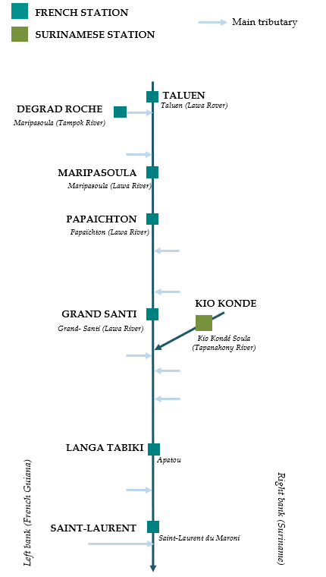

PAPAICHTON
 | Flow | Water level
7/16/2025
7/15/2025 | 1109.87 | 2.7
7/14/2025 | 1224.86
7/13/2025 | 1338.97
7/12/2025 | 1410.76
7/11/2025 | 1422.16
7/10/2025 | 1350.84
MARIPASOULA
 | Flow | Water level
7/16/2025
7/15/2025 | 1069.62 | 3.69
7/14/2025 | 1170.54
7/13/2025 | 1277.79
7/12/2025 | 1348.67
7/11/2025 | 1370.54
7/10/2025 | 1329.57

KIO KONDE
 | Flow | Water level
7/16/2025
7/15/2025 | 1098.02 | 1.91
7/14/2025 | 1110.35
7/13/2025 | 1122.61
7/12/2025 | 1138.03
7/11/2025 | 1109.29
7/10/2025 | 1062.35
GRAND SANTI
 | Flow | Water level
7/16/2025
7/15/2025 | 1482.64 | 4.17
7/14/2025 | 1636.31
7/13/2025 | 1772.73
7/12/2025 | 1864.15
7/11/2025 | 1840.73
7/10/2025 | 1693.71

LANGA TABIKI
 | Flow | Water level
7/16/2025
7/15/2025 | 2887.89 | 4.82
7/14/2025 | 2956.65
7/13/2025 | 3114.77
7/12/2025 | 3197.59
7/11/2025 | 2916.28
7/10/2025 | 2882.64
SAINT-LAURENT
 | Flow | Water level
7/16/2025
7/15/2025 |  | 1.75
7/14/2025
7/13/2025
7/12/2025
7/11/2025
7/10/2025

Data source:
French Guiana: HYDRO Bank managed by Schapi within the framework of French WIS (data corrected) http://www.hydro.eaufrance.fr/
* Average daily flow distributed via Hubeau (https://hubeau.eaufrance.fr/) from the HYDRO database (http://www.hydro.eaufrance.fr/)
** Daily average of instantaneous water levels (days with UTC times) distributed via Hubeau (https://hubeau.eaufrance.fr/) from the HYDRO database (http://www.hydro.eaufrance.fr/)
Suriname: Automatic output of HYDRAS 3 via Artgos (data corrected)
For any request or comment, please contact:
staff-bioplateaux@oieau.fr

Bulletin coordinated within the framework of the BIO-PLATEAUX project for the Articulation of Water and Biodiversity associated to aquatic environments on the Maroni and Oyapock basins

