Maroni
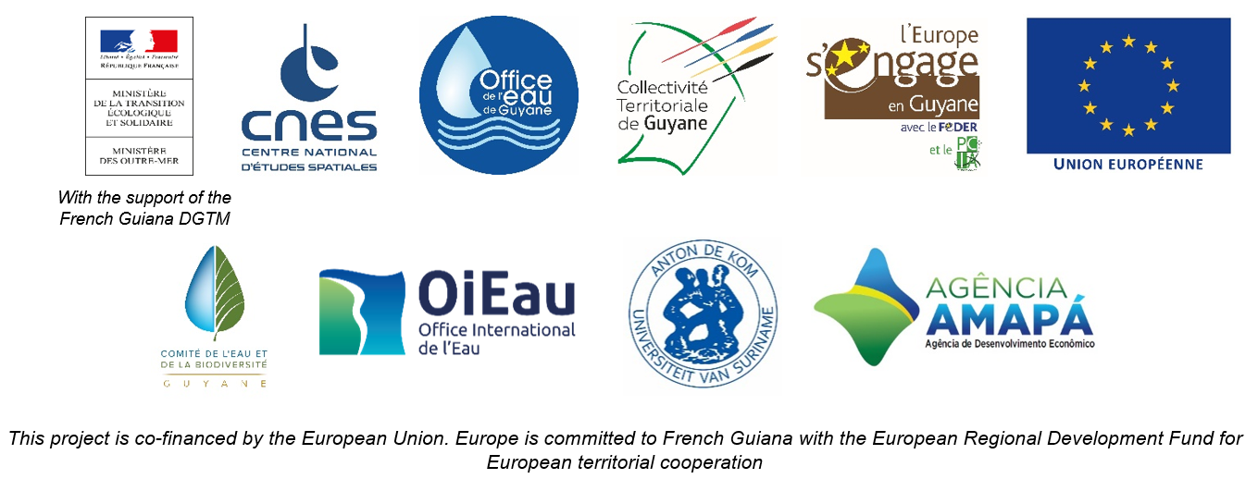

DAILY HYDROLOGICAL BULLETIN OF THE MARONI TRANSBOUNDARY BASIN

 |  |  |  |  |  |  |  | FROM | 2026-06-17 |  | TO | 2026-06-23

 | Water flow (daily average) in m3/s and water level (daily average) in m

 |  | Station names
 |  | Degrad Roche |  | Taluen |  | Maripasoula |  | Papaïchton |  | Grand Santi |  | Kio Konde |  | Langa Tabiki |  | Saint-Laurent
 | Date | m3/s* | m** | m3/s* | m** | m3/s* | m** | m3/s* | m** | m3/s* | m** | m3/s* | m** | m3/s* | m** | m3/s* | m**
 | 2026-06-23
 | 2026-06-22
 | 2026-06-21 | 284.75 | 3.98 | 755.71 | 3.18 |  |  | 1443.75 | 3.19 | 1731.12 | 4.49 | 979.45 | 1.78 | 2896.17 | 4.83 |  | 1.61
 | 2026-06-20 | 304.63 | 4.15 | 771.87 | 3.22 |  |  | 1470.31 | 3.22 | 1772.61 | 4.55 | 1017.13 | 1.82 | 3042.95 | 4.94 |  | 1.67
 | 2026-06-19 | 301.8 | 4.13 | 781.71 | 3.24 |  |  | 1483.4 | 3.24 | 1806.7 | 4.59 | 1084.44 | 1.89 | 3213.45 | 5.08 |  | 1.72
 | 2026-06-18 | 299.37 | 4.11 | 790.52 | 3.26 |  |  | 1526.68 | 3.3 | 1908.63 | 4.7 | 1167.57 | 1.98 | 3487.57 | 5.29 |  | 1.83
 | 2026-06-17 | 315.77 | 4.24 | 823.43 | 3.34 |  |  | 1612.54 | 3.4 | 2096.72 | 4.91 | 1290.85 | 2.12 | 3872.95 | 5.56 |  | 1.89

DEGRAD ROCHE
 | Flow | Water level
7/16/2025
7/15/2025 | 243.15 | 3.6
7/14/2025 | 289.74
7/13/2025 | 342.59
7/12/2025 | 364.86
7/11/2025 | 362.5
7/10/2025 | 344.23
TALUEN
 | Flow | Water level
7/16/2025 |  | 2.8
7/15/2025 | 613.79 | 2.81
7/14/2025 | 640.47 | 2.87
7/13/2025 | 683.74
7/12/2025 | 729.47
7/11/2025 | 761.02
7/10/2025 | 767.07 | 3.19

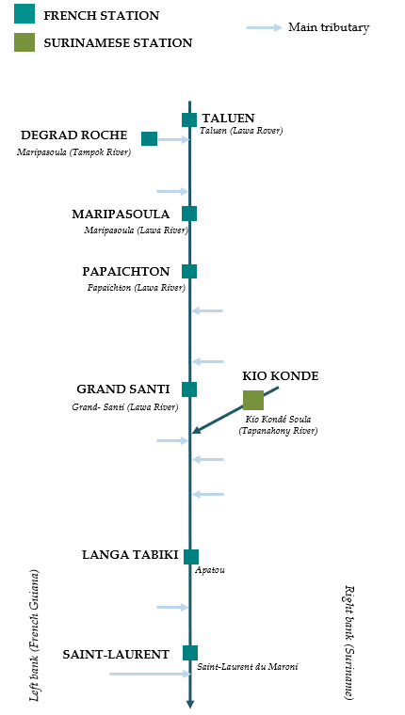

PAPAICHTON
 | Flow | Water level
7/16/2025
7/15/2025 | 1109.87 | 2.7
7/14/2025 | 1224.86
7/13/2025 | 1338.97
7/12/2025 | 1410.76
7/11/2025 | 1422.16
7/10/2025 | 1350.84
MARIPASOULA
 | Flow | Water level
7/16/2025
7/15/2025 | 1069.62 | 3.69
7/14/2025 | 1170.54
7/13/2025 | 1277.79
7/12/2025 | 1348.67
7/11/2025 | 1370.54
7/10/2025 | 1329.57

KIO KONDE
 | Flow | Water level
7/16/2025
7/15/2025 | 1098.02 | 1.91
7/14/2025 | 1110.35
7/13/2025 | 1122.61
7/12/2025 | 1138.03
7/11/2025 | 1109.29
7/10/2025 | 1062.35
GRAND SANTI
 | Flow | Water level
7/16/2025
7/15/2025 | 1482.64 | 4.17
7/14/2025 | 1636.31
7/13/2025 | 1772.73
7/12/2025 | 1864.15
7/11/2025 | 1840.73
7/10/2025 | 1693.71

LANGA TABIKI
 | Flow | Water level
7/16/2025
7/15/2025 | 2887.89 | 4.82
7/14/2025 | 2956.65
7/13/2025 | 3114.77
7/12/2025 | 3197.59
7/11/2025 | 2916.28
7/10/2025 | 2882.64
SAINT-LAURENT
 | Flow | Water level
7/16/2025
7/15/2025 |  | 1.75
7/14/2025
7/13/2025
7/12/2025
7/11/2025
7/10/2025

Data source:
French Guiana: HYDRO Bank managed by Schapi within the framework of French WIS (data corrected) http://www.hydro.eaufrance.fr/
* Average daily flow distributed via Hubeau (https://hubeau.eaufrance.fr/) from the HYDRO database (http://www.hydro.eaufrance.fr/)
** Daily average of instantaneous water levels (days with UTC times) distributed via Hubeau (https://hubeau.eaufrance.fr/) from the HYDRO database (http://www.hydro.eaufrance.fr/)
Suriname: Automatic output of HYDRAS 3 via Artgos (data corrected)
For any request or comment, please contact:
staff-bioplateaux@oieau.fr

Bulletin coordinated within the framework of the BIO-PLATEAUX project for the Articulation of Water and Biodiversity associated to aquatic environments on the Maroni and Oyapock basins

