Maroni
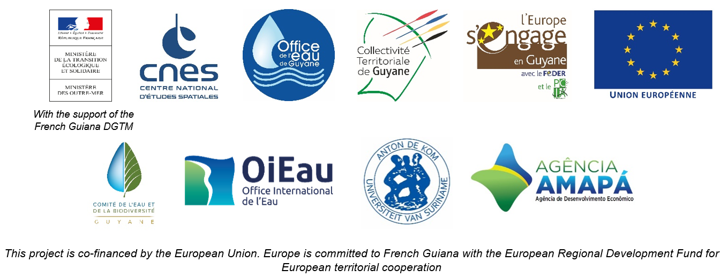

DAILY HYDROLOGICAL BULLETIN OF THE MARONI TRANSBOUNDARY BASIN

 |  |  |  |  |  |  |  | FROM | 2026-06-11 |  | TO | 2026-06-17

 | Water flow (daily average) in m3/s and water level (daily average) in m

 |  | Station names
 |  | Degrad Roche |  | Taluen |  | Maripasoula |  | Papaïchton |  | Grand Santi |  | Kio Konde |  | Langa Tabiki |  | Saint-Laurent
 | Date | m3/s* | m** | m3/s* | m** | m3/s* | m** | m3/s* | m** | m3/s* | m** | m3/s* | m** | m3/s* | m** | m3/s* | m**
 | 2026-06-17
 | 2026-06-16
 | 2026-06-15 | 352.65 | 4.55 | 888.12 | 3.5 |  |  | 1762.87 | 3.59 | 2323.39 | 5.16 | 1611.02 | 2.47 | 4465.72 | 5.94 |  | 1.9
 | 2026-06-14 | 382.65 | 4.78 | 933.54 | 3.61 |  |  | 1826.12 | 3.66 | 2393.97 | 5.24 | 1736.27 | 2.61 | 4845.26 | 6.17 |  | 1.93
 | 2026-06-13 | 419.9 | 5.07 | 1002.62 | 3.76 |  |  | 1936.83 | 3.8 | 2537.28 | 5.39 | 1884.32 | 2.77 | 5154.15 | 6.35 |  | 1.92
 | 2026-06-12 | 453.48 | 5.32 | 1061.41 | 3.89 |  |  | 1971.17 | 3.84 | 2634 | 5.49 | 1959.67 | 2.85 | 5225.62 | 6.39 |  | 1.91
 | 2026-06-11 | 470.86 | 5.45 | 1084.01 | 3.94 |  |  | 2003.74 | 3.88 | 2575.89 | 5.43 | 1922.68 | 2.81 | 4928.55 | 6.22 |  | 1.85

DEGRAD ROCHE
 | Flow | Water level
7/16/2025
7/15/2025 | 243.15 | 3.6
7/14/2025 | 289.74
7/13/2025 | 342.59
7/12/2025 | 364.86
7/11/2025 | 362.5
7/10/2025 | 344.23
TALUEN
 | Flow | Water level
7/16/2025 |  | 2.8
7/15/2025 | 613.79 | 2.81
7/14/2025 | 640.47 | 2.87
7/13/2025 | 683.74
7/12/2025 | 729.47
7/11/2025 | 761.02
7/10/2025 | 767.07 | 3.19

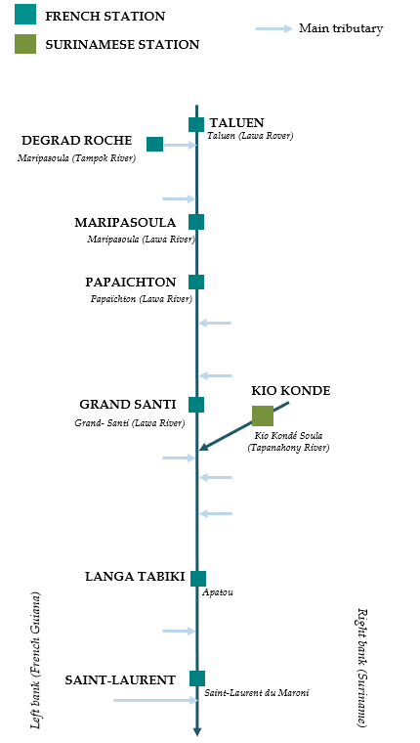

PAPAICHTON
 | Flow | Water level
7/16/2025
7/15/2025 | 1109.87 | 2.7
7/14/2025 | 1224.86
7/13/2025 | 1338.97
7/12/2025 | 1410.76
7/11/2025 | 1422.16
7/10/2025 | 1350.84
MARIPASOULA
 | Flow | Water level
7/16/2025
7/15/2025 | 1069.62 | 3.69
7/14/2025 | 1170.54
7/13/2025 | 1277.79
7/12/2025 | 1348.67
7/11/2025 | 1370.54
7/10/2025 | 1329.57

KIO KONDE
 | Flow | Water level
7/16/2025
7/15/2025 | 1098.02 | 1.91
7/14/2025 | 1110.35
7/13/2025 | 1122.61
7/12/2025 | 1138.03
7/11/2025 | 1109.29
7/10/2025 | 1062.35
GRAND SANTI
 | Flow | Water level
7/16/2025
7/15/2025 | 1482.64 | 4.17
7/14/2025 | 1636.31
7/13/2025 | 1772.73
7/12/2025 | 1864.15
7/11/2025 | 1840.73
7/10/2025 | 1693.71

LANGA TABIKI
 | Flow | Water level
7/16/2025
7/15/2025 | 2887.89 | 4.82
7/14/2025 | 2956.65
7/13/2025 | 3114.77
7/12/2025 | 3197.59
7/11/2025 | 2916.28
7/10/2025 | 2882.64
SAINT-LAURENT
 | Flow | Water level
7/16/2025
7/15/2025 |  | 1.75
7/14/2025
7/13/2025
7/12/2025
7/11/2025
7/10/2025

Data source:
French Guiana: HYDRO Bank managed by Schapi within the framework of French WIS (data corrected) http://www.hydro.eaufrance.fr/
* Average daily flow distributed via Hubeau (https://hubeau.eaufrance.fr/) from the HYDRO database (http://www.hydro.eaufrance.fr/)
** Daily average of instantaneous water levels (days with UTC times) distributed via Hubeau (https://hubeau.eaufrance.fr/) from the HYDRO database (http://www.hydro.eaufrance.fr/)
Suriname: Automatic output of HYDRAS 3 via Artgos (data corrected)
For any request or comment, please contact:
staff-bioplateaux@oieau.fr

Bulletin coordinated within the framework of the BIO-PLATEAUX project for the Articulation of Water and Biodiversity associated to aquatic environments on the Maroni and Oyapock basins

