Maroni
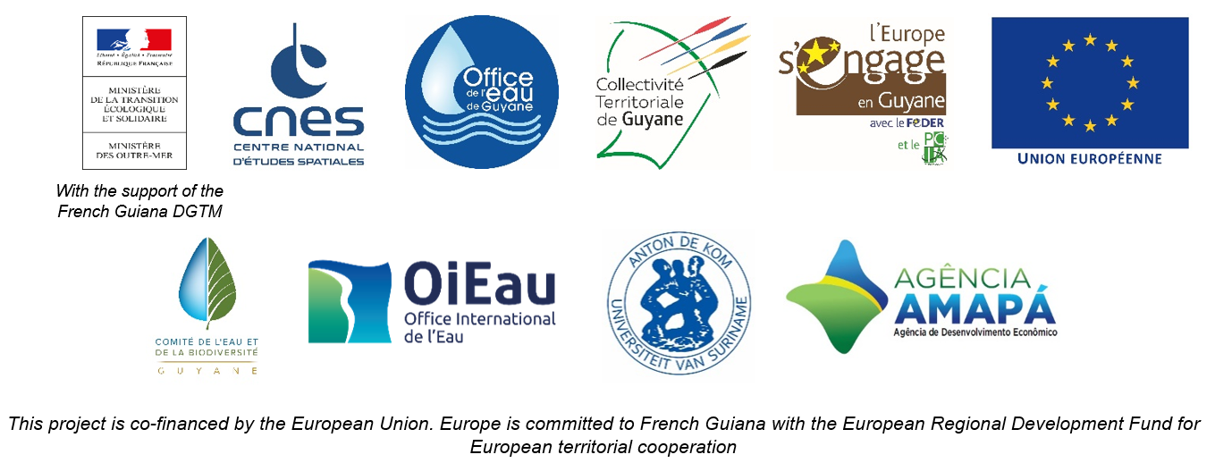

DAILY HYDROLOGICAL BULLETIN OF THE MARONI TRANSBOUNDARY BASIN

 |  |  |  |  |  |  |  | FROM | 2026-05-28 |  | TO | 2026-06-03

 | Water flow (daily average) in m3/s and water level (daily average) in m

 |  | Station names
 |  | Degrad Roche |  | Taluen |  | Maripasoula |  | Papaïchton |  | Grand Santi |  | Kio Konde |  | Langa Tabiki |  | Saint-Laurent
 | Date | m3/s* | m** | m3/s* | m** | m3/s* | m** | m3/s* | m** | m3/s* | m** | m3/s* | m** | m3/s* | m** | m3/s* | m**
 | 2026-06-03
 | 2026-06-02 |  | 5.1 |  | 3.94 |  |  |  | 3.65 |  | 5.23 |  | 2.98 |  | 6.09 |  | 1.63
 | 2026-06-01 | 401.69 | 4.93 | 1044.19 | 3.85 |  |  | 1769.58 | 3.59 | 2312.15 | 5.14 | 1915.03 | 2.8 | 4732.81 | 6.1 |  | 1.73
 | 2026-05-31 | 387 | 4.81 | 980.02 | 3.71 |  |  | 1723.18 | 3.54 | 2221.76 | 5.05 | 1751.21 | 2.62 | 4242.73 | 5.8 |  | 1.72
 | 2026-05-30 | 374.84 | 4.72 | 910.09 | 3.55 |  |  | 1611.73 | 3.4 | 2094.29 | 4.91 | 1597.78 | 2.45 | 4030.3 | 5.66 |  | 1.71
 | 2026-05-29 | 369.02 | 4.68 | 865.51 | 3.44 |  |  | 1625.84 | 3.42 | 2022.55 | 4.83 | 1421.95 | 2.26 | 3906.44 | 5.58 |  | 1.71
 | 2026-05-28 | 370.03 | 4.68 | 880.9 | 3.48 |  |  | 1691.31 | 3.5 | 2055.78 | 4.86 | 1357.99 | 2.19 | 3889.97 | 5.57 |  | 1.71

DEGRAD ROCHE
 | Flow | Water level
7/16/2025
7/15/2025 | 243.15 | 3.6
7/14/2025 | 289.74
7/13/2025 | 342.59
7/12/2025 | 364.86
7/11/2025 | 362.5
7/10/2025 | 344.23
TALUEN
 | Flow | Water level
7/16/2025 |  | 2.8
7/15/2025 | 613.79 | 2.81
7/14/2025 | 640.47 | 2.87
7/13/2025 | 683.74
7/12/2025 | 729.47
7/11/2025 | 761.02
7/10/2025 | 767.07 | 3.19

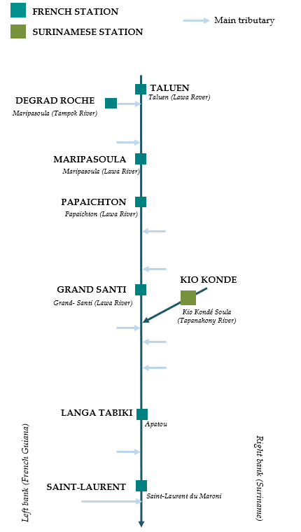

PAPAICHTON
 | Flow | Water level
7/16/2025
7/15/2025 | 1109.87 | 2.7
7/14/2025 | 1224.86
7/13/2025 | 1338.97
7/12/2025 | 1410.76
7/11/2025 | 1422.16
7/10/2025 | 1350.84
MARIPASOULA
 | Flow | Water level
7/16/2025
7/15/2025 | 1069.62 | 3.69
7/14/2025 | 1170.54
7/13/2025 | 1277.79
7/12/2025 | 1348.67
7/11/2025 | 1370.54
7/10/2025 | 1329.57

KIO KONDE
 | Flow | Water level
7/16/2025
7/15/2025 | 1098.02 | 1.91
7/14/2025 | 1110.35
7/13/2025 | 1122.61
7/12/2025 | 1138.03
7/11/2025 | 1109.29
7/10/2025 | 1062.35
GRAND SANTI
 | Flow | Water level
7/16/2025
7/15/2025 | 1482.64 | 4.17
7/14/2025 | 1636.31
7/13/2025 | 1772.73
7/12/2025 | 1864.15
7/11/2025 | 1840.73
7/10/2025 | 1693.71

LANGA TABIKI
 | Flow | Water level
7/16/2025
7/15/2025 | 2887.89 | 4.82
7/14/2025 | 2956.65
7/13/2025 | 3114.77
7/12/2025 | 3197.59
7/11/2025 | 2916.28
7/10/2025 | 2882.64
SAINT-LAURENT
 | Flow | Water level
7/16/2025
7/15/2025 |  | 1.75
7/14/2025
7/13/2025
7/12/2025
7/11/2025
7/10/2025

Data source:
French Guiana: HYDRO Bank managed by Schapi within the framework of French WIS (data corrected) http://www.hydro.eaufrance.fr/
* Average daily flow distributed via Hubeau (https://hubeau.eaufrance.fr/) from the HYDRO database (http://www.hydro.eaufrance.fr/)
** Daily average of instantaneous water levels (days with UTC times) distributed via Hubeau (https://hubeau.eaufrance.fr/) from the HYDRO database (http://www.hydro.eaufrance.fr/)
Suriname: Automatic output of HYDRAS 3 via Artgos (data corrected)
For any request or comment, please contact:
staff-bioplateaux@oieau.fr

Bulletin coordinated within the framework of the BIO-PLATEAUX project for the Articulation of Water and Biodiversity associated to aquatic environments on the Maroni and Oyapock basins

