Maroni
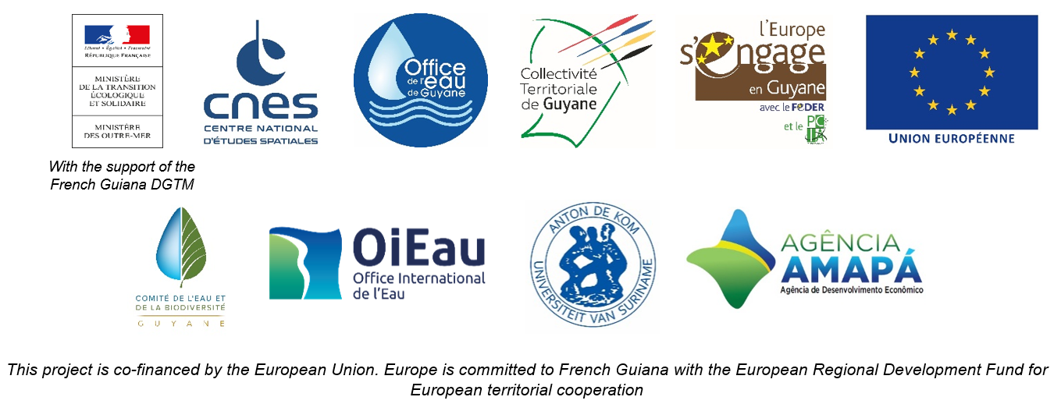

DAILY HYDROLOGICAL BULLETIN OF THE MARONI TRANSBOUNDARY BASIN

 |  |  |  |  |  |  |  | FROM | 2026-05-25 |  | TO | 2026-05-31

 | Water flow (daily average) in m3/s and water level (daily average) in m

 |  | Station names
 |  | Degrad Roche |  | Taluen |  | Maripasoula |  | Papaïchton |  | Grand Santi |  | Kio Konde |  | Langa Tabiki |  | Saint-Laurent
 | Date | m3/s* | m** | m3/s* | m** | m3/s* | m** | m3/s* | m** | m3/s* | m** | m3/s* | m** | m3/s* | m** | m3/s* | m**
 | 2026-05-31 |  | 4.79 |  | 3.66 |  |  |  | 3.52 |  | 5.01 |  | 2.58 |  | 5.77 |  | 1.61
 | 2026-05-30 | 374.88 | 4.72 |  | 3.55 |  |  |  | 3.4 |  | 4.91 |  | 2.45 |  | 5.66 |  | 1.71
 | 2026-05-29 | 369.02 | 4.68 | 865.62 | 3.44 |  |  | 1625.84 | 3.42 | 2022.55 | 4.83 | 1422.58 | 2.26 | 3908.45 | 5.58 |  | 1.71
 | 2026-05-28 | 370.03 | 4.68 | 880.9 | 3.48 |  |  | 1691.31 | 3.5 | 2055.78 | 4.86 | 1358.55 | 2.19 | 3889.97 | 5.57 |  | 1.71
 | 2026-05-27 | 372.71 | 4.7 | 904.67 | 3.54 |  |  | 1716.83 | 3.53 | 2098.98 | 4.91 | 1405.9 | 2.24 | 3985.63 | 5.63 |  | 1.7
 | 2026-05-26 | 343.73 | 4.47 | 930.01 | 3.6 |  |  | 1775.26 | 3.6 | 2245.11 | 5.07 | 1482.18 | 2.33 | 4157.24 | 5.74 |  | 1.71
 | 2026-05-25 | 337.59 | 4.42 | 965.02 | 3.68 |  |  | 1833.28 | 3.67 | 2333.55 | 5.17 | 1552.76 | 2.4 | 4164.16 | 5.74 |  | 1.71

DEGRAD ROCHE
 | Flow | Water level
7/16/2025
7/15/2025 | 243.15 | 3.6
7/14/2025 | 289.74
7/13/2025 | 342.59
7/12/2025 | 364.86
7/11/2025 | 362.5
7/10/2025 | 344.23
TALUEN
 | Flow | Water level
7/16/2025 |  | 2.8
7/15/2025 | 613.79 | 2.81
7/14/2025 | 640.47 | 2.87
7/13/2025 | 683.74
7/12/2025 | 729.47
7/11/2025 | 761.02
7/10/2025 | 767.07 | 3.19

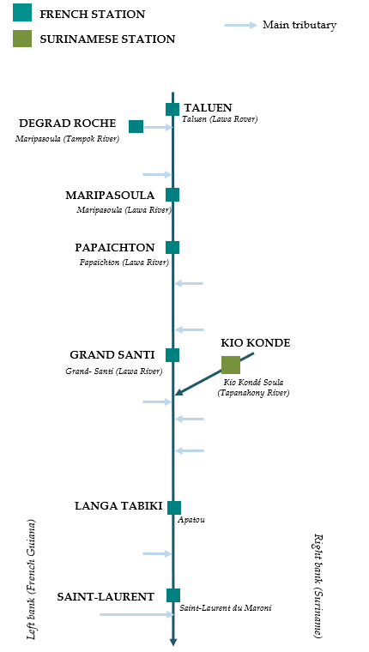

PAPAICHTON
 | Flow | Water level
7/16/2025
7/15/2025 | 1109.87 | 2.7
7/14/2025 | 1224.86
7/13/2025 | 1338.97
7/12/2025 | 1410.76
7/11/2025 | 1422.16
7/10/2025 | 1350.84
MARIPASOULA
 | Flow | Water level
7/16/2025
7/15/2025 | 1069.62 | 3.69
7/14/2025 | 1170.54
7/13/2025 | 1277.79
7/12/2025 | 1348.67
7/11/2025 | 1370.54
7/10/2025 | 1329.57

KIO KONDE
 | Flow | Water level
7/16/2025
7/15/2025 | 1098.02 | 1.91
7/14/2025 | 1110.35
7/13/2025 | 1122.61
7/12/2025 | 1138.03
7/11/2025 | 1109.29
7/10/2025 | 1062.35
GRAND SANTI
 | Flow | Water level
7/16/2025
7/15/2025 | 1482.64 | 4.17
7/14/2025 | 1636.31
7/13/2025 | 1772.73
7/12/2025 | 1864.15
7/11/2025 | 1840.73
7/10/2025 | 1693.71

LANGA TABIKI
 | Flow | Water level
7/16/2025
7/15/2025 | 2887.89 | 4.82
7/14/2025 | 2956.65
7/13/2025 | 3114.77
7/12/2025 | 3197.59
7/11/2025 | 2916.28
7/10/2025 | 2882.64
SAINT-LAURENT
 | Flow | Water level
7/16/2025
7/15/2025 |  | 1.75
7/14/2025
7/13/2025
7/12/2025
7/11/2025
7/10/2025

Data source:
French Guiana: HYDRO Bank managed by Schapi within the framework of French WIS (data corrected) http://www.hydro.eaufrance.fr/
* Average daily flow distributed via Hubeau (https://hubeau.eaufrance.fr/) from the HYDRO database (http://www.hydro.eaufrance.fr/)
** Daily average of instantaneous water levels (days with UTC times) distributed via Hubeau (https://hubeau.eaufrance.fr/) from the HYDRO database (http://www.hydro.eaufrance.fr/)
Suriname: Automatic output of HYDRAS 3 via Artgos (data corrected)
For any request or comment, please contact:
staff-bioplateaux@oieau.fr

Bulletin coordinated within the framework of the BIO-PLATEAUX project for the Articulation of Water and Biodiversity associated to aquatic environments on the Maroni and Oyapock basins

